Loops
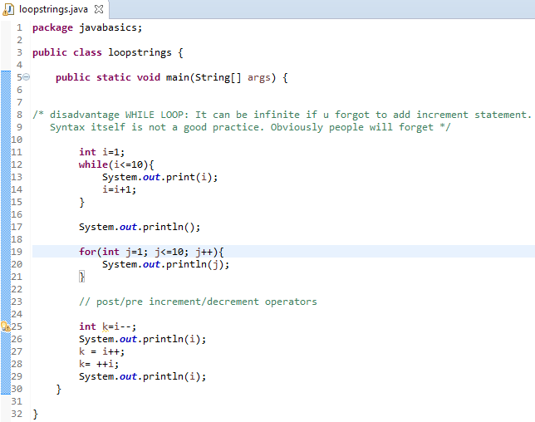
while loop VS for loop
Pre/Post increment operators
Pre/Post decrement operators

Constructor
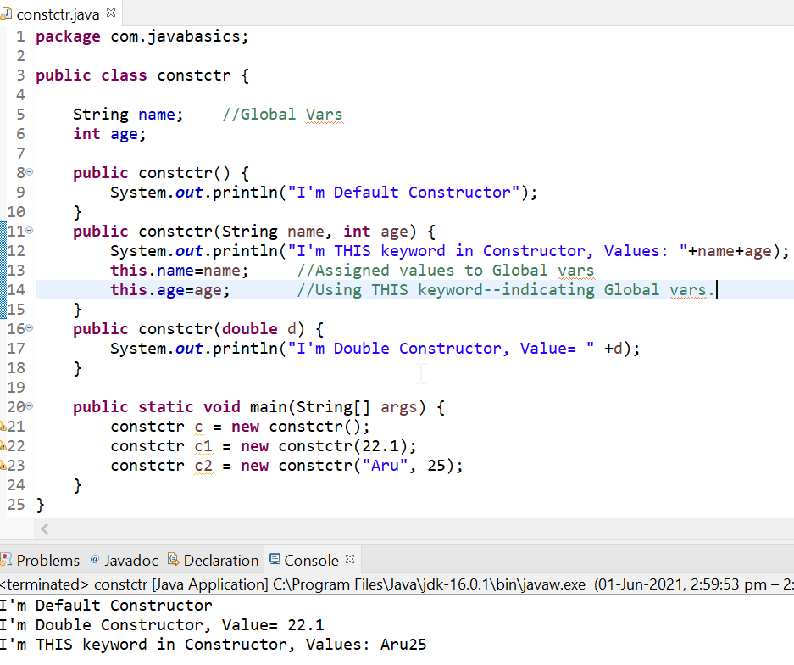
diff b/w a function n constructor
It doesn't return any value
contrs name will be always same as class name
it’s a seprate func. So will be created inside the class body.
To call a constructor, need to create the object of class…. And no need to call constrctr seprately
constructor overloading is allowed.
But constrctr with no parameters is called DEFAULT CONSTRCTR.
That will be called automatically when you create the object of class.
THIS keyword refer to Global vars. If we want to assign value to Global var(declared right under class) inside the constrctr.

Array
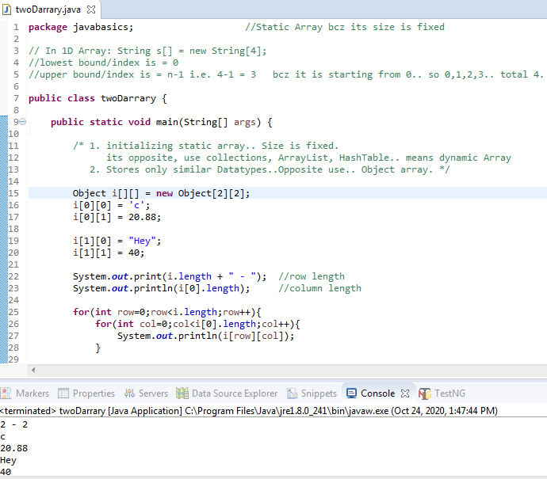
static VS dynamic Array | Memory allocated at compile time/at runtime
1D VS 2D Array
Lower bound/Upper bound
O always capital in Object bcz it’s a Super Class
S always capital in String bcz it's a class | BUT WE CAN USE BOTH AS datatype
char written in single quotes 'A'
String written in double quotes "Hey All"

HashTable
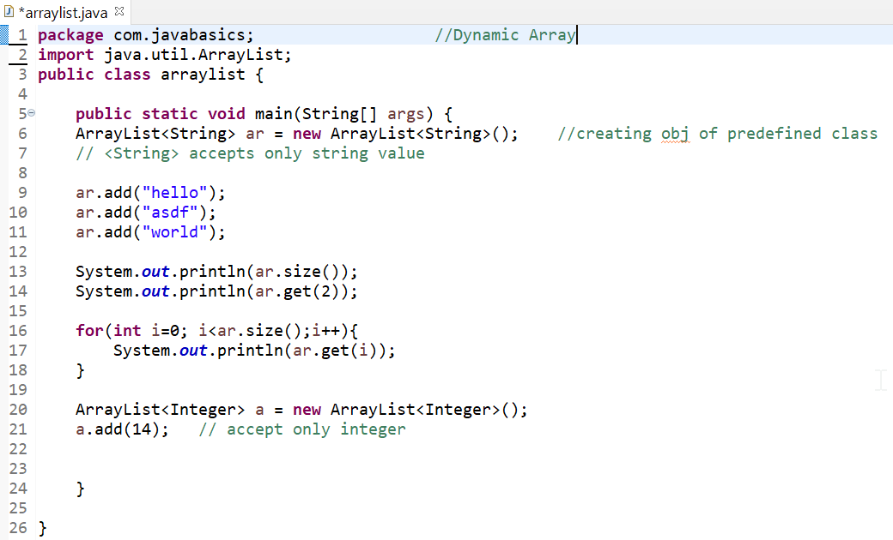
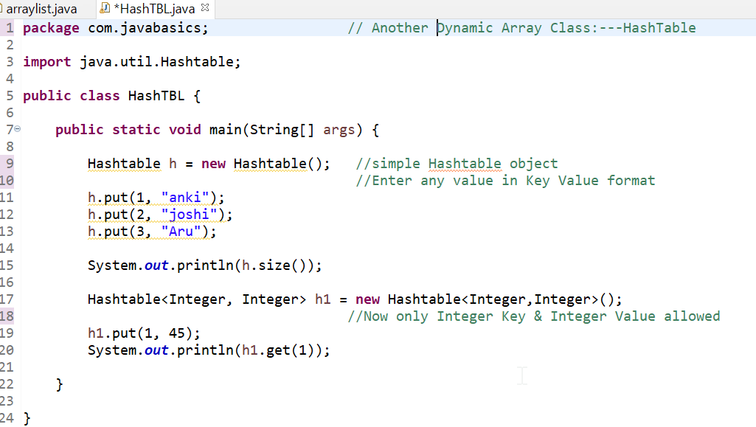
Dynamic Array | ArrayList is a class so we r creating the object of this class using import java util. | HashTable is a similar class that stores data in the form of (key, value) args.

Iterator
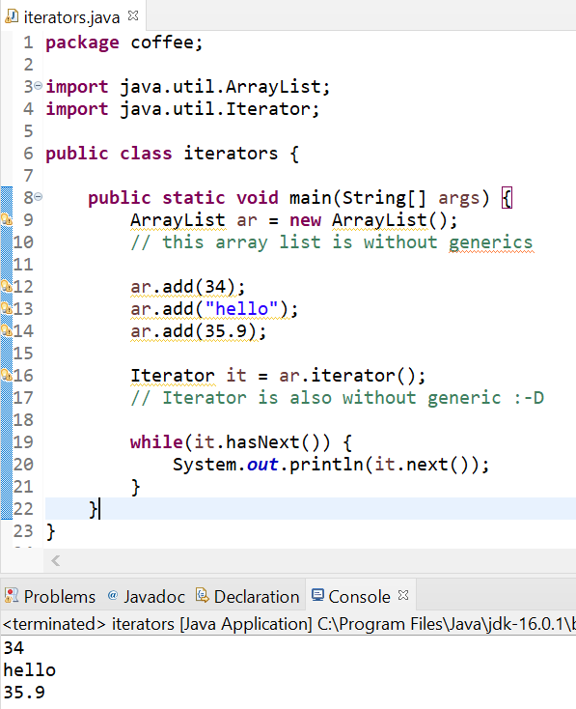
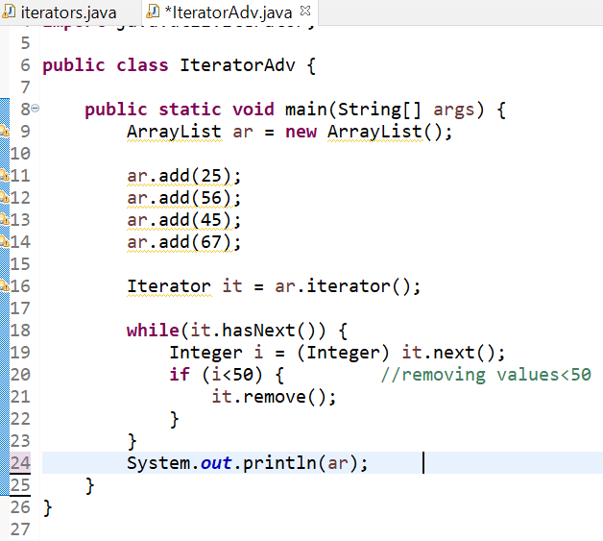
Everything used without Generics

localGlobal Vrbl
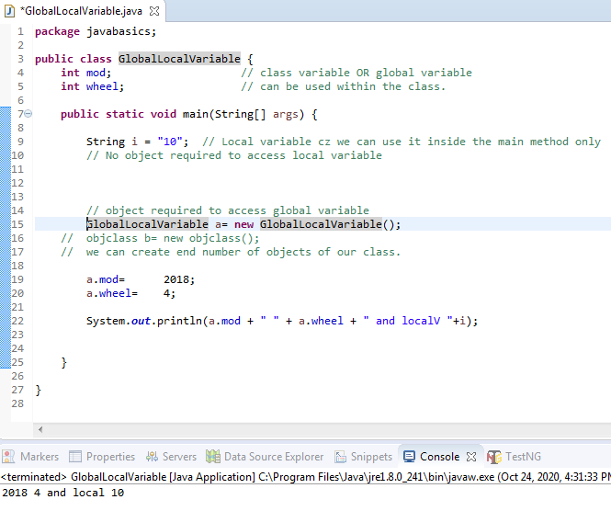

Need class object to access Global variable.

a is refering the class..means reference variable
new glo… () is the object.

Static-NonStaticMV
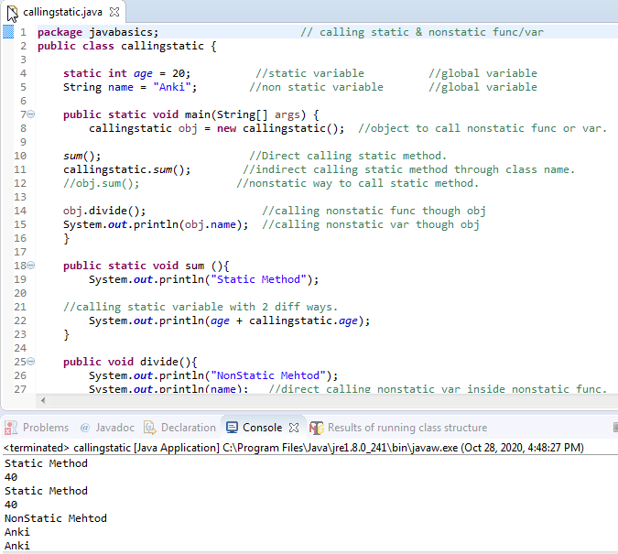

Static/Non-static Method | Method Or Function | Same
Static/Non-static Variable

CallByValRef
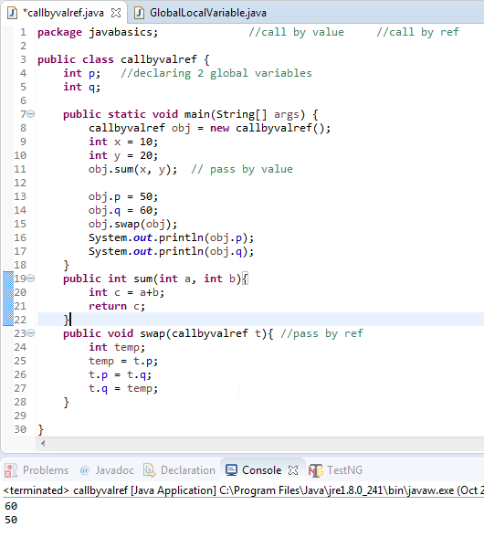

Call by value
Call by ref possible by passing reference variable

Asserts
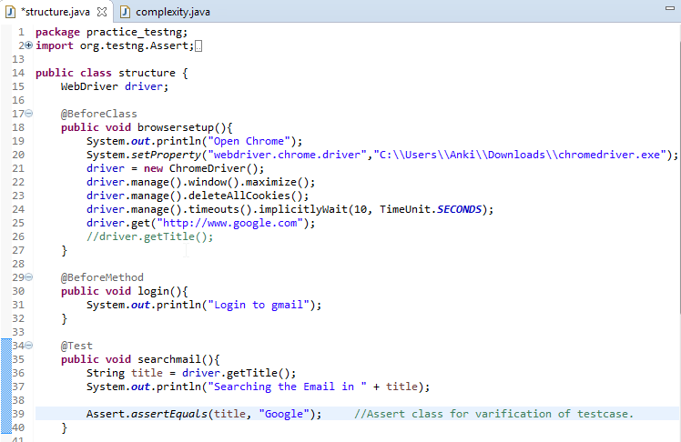

calling Assert class for verification

Declare Webdriver class globally with driver variable reffering it
Now driver objects can be used anywhere in this class.

Wrapper
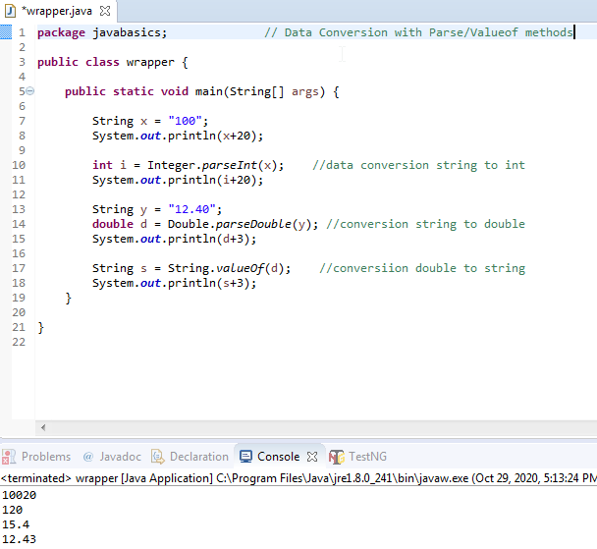

Data conversion with wrapper classes
Parse method for string to int/double/boolean
Valueof method for int to string

Poly-Ovrldg-riding
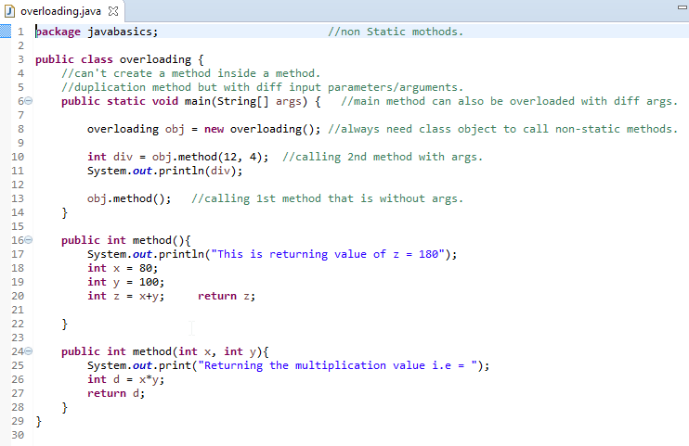

Non Static methods.

Overloading is, when method name is same with diff args within same class

Function OR Methods both are same thing

Calling function by created the object of current class
because object required to call NonStatic methods

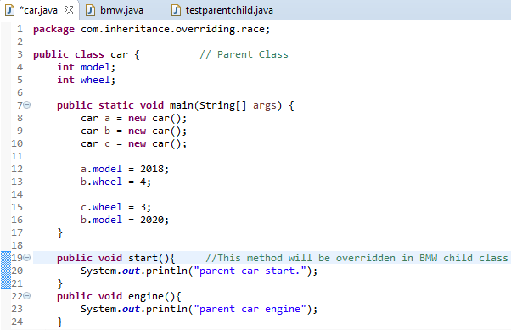
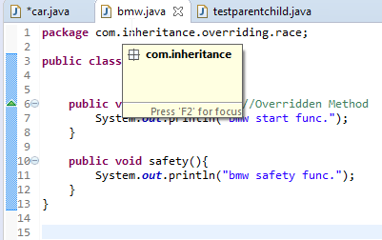

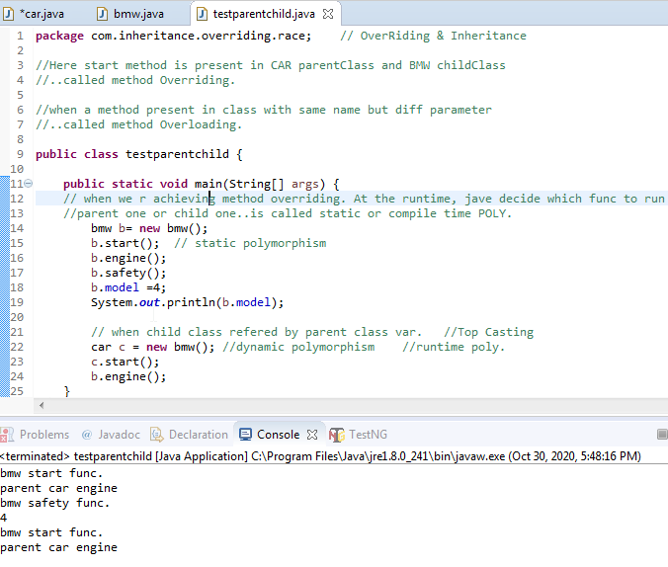
Overriding
inheritence
static poly
dynamic poly
top casting
down casting--allowed but in diff way

Abstraction
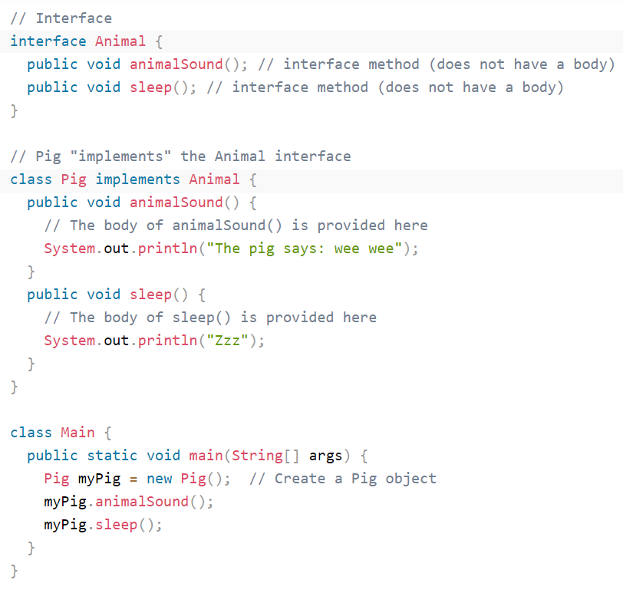
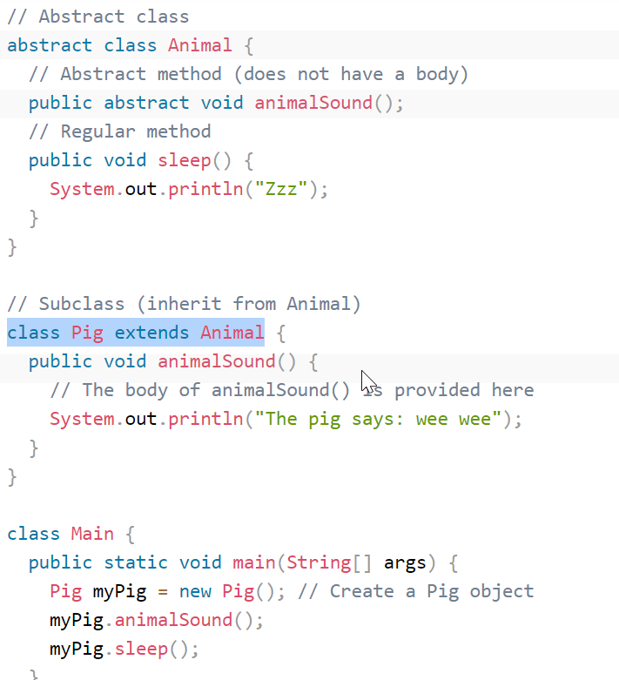
must be Inherited from another class
Inhertance Using extends keyword

Another way to achieve Abstraction is -- Interface
InterFace Using implements keyword

InterFace
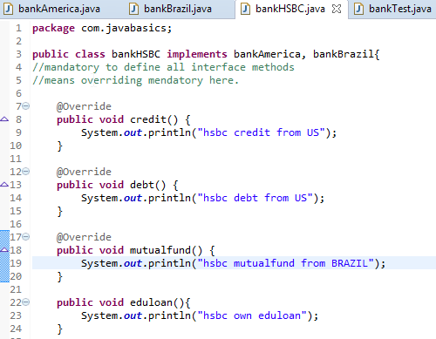
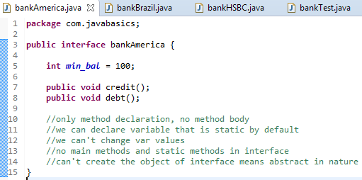
An interface is a completely "abstract class" that is used to group related methods with empty bodies:
 | 2 interface Parents
 | America & Brazil

 | 1 child HSBS

 | 1 Test class or runner file

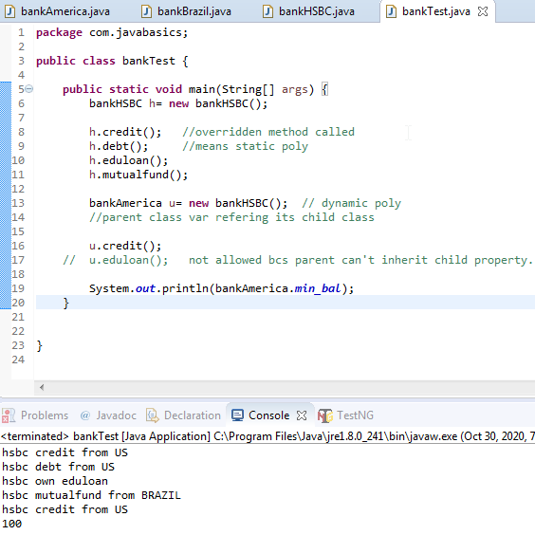

 | Interface r Abstract in nature
 | Means we can't create its object
 | But we create the reference/instance

